BASICI
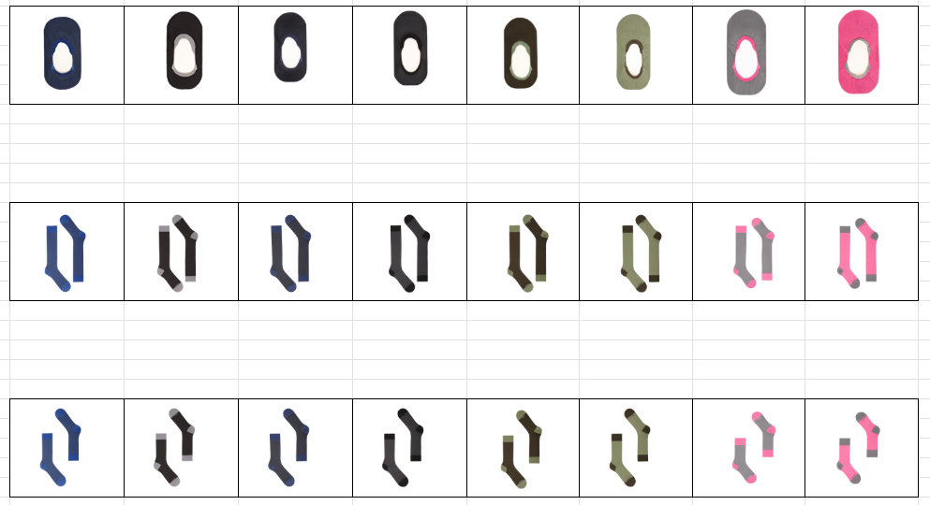
INVENTARIO 2025 |  |  |  |  |  |  |  |  |  | SOMMA |  |  |  |  | PREZZI AL PUBBLICO | TOTALE
SOTTOPIEDE |  |  |  |  | SOTTOPIEDE
1177-001 | S | M | L | XL | 1177-002 | S | M | L | XL | SOMMA | S | M | L | XL | SOMMA | SOMMA
AVIATOR ORIENT |  |  |  |  | AVIATOR ORIENT | 43 | 49 |  |  | AVIATOR ORIENT | 43 | 49 | 0 | 0 | 14.64 € | 12,370.80 €
NAVY AVIATOR |  | 22 | 39 | 61 | NAVY AVIATOR | 25 | 39 | 17 |  | NAVY AVIATOR | 25 | 61 | 56 | 61
INK PEWTER |  | 24 |  | 24 | INK PEWTER | 6 | 20 |  |  | INK PEWTER | 6 | 44 | 0 | 24
IRON INK |  | 87 |  |  | IRON INK | 12 |  |  |  | IRON INK | 12 | 87 | 0 | 0
OLIVINE COFFEE |  | 35 | 20 | 29 | OLIVINE COFFEE |  |  |  |  | OLIVINE COFFEE | 0 | 35 | 20 | 29
COFFEE OLIVINE |  | 36 | 2 | 44 | COFFEE OLIVINE |  |  |  |  | COFFEE OLIVINE | 0 | 36 | 2 | 44
PEWTER RARPBERRY |  |  |  |  | PEWTER RARPBERRY | 22 | 26 | 67 |  | PEWTER RARPBERRY | 22 | 26 | 67 | 0
RASPBERRY PEWTER |  |  |  |  | RASPBERRY PEWTER | 36 | 35 | 25 |  | RASPBERRY PEWTER | 36 | 35 | 25 | 0
LUNGO LISCIO |  |  |  |  | LUNGO LISCIO
1177-010 | S | M | L | XL | 1177-030 | S | M | L | XL | SOMMA | S | M | L | XL | SOMMA | SOMMA
AVIATOR ORIENT |  | 3 |  | 55 | AVIATOR ORIENT | 74 | 238 | 8 |  | AVIATOR ORIENT | 74 | 241 | 8 | 55 | 19.52 € | 26,430.08 €
NAVY AVIATOR |  |  |  | 37 | NAVY AVIATOR | 64 | 131 |  |  | NAVY AVIATOR | 64 | 131 | 0 | 37
INK PEWTER |  |  |  | 37 | INK PEWTER | 59 | 137 | 48 |  | INK PEWTER | 59 | 137 | 48 | 37
IRON INK |  |  |  | 24 | IRON INK | 37 | 162 | 44 |  | IRON INK | 37 | 162 | 44 | 24
OLIVINE COFFEE |  | 41 | 21 | 55 | OLIVINE COFFEE |  |  |  |  | OLIVINE COFFEE | 0 | 41 | 21 | 55
COFFEE OLIVINE |  | 37 |  | 42 | COFFEE OLIVINE |  |  |  |  | COFFEE OLIVINE | 0 | 37 | 0 | 42
PEWTER RARPBERRY |  |  |  |  | PEWTER RARPBERRY |  |  |  |  | PEWTER RARPBERRY | 0 | 0 | 0 | 0
RASPBERRY PEWTER |  |  |  |  | RASPBERRY PEWTER |  |  |  |  | RASPBERRY PEWTER | 0 | 0 | 0 | 0
CORTO LISCIO |  |  |  |  | CORTO LISCIO
1177-011 | S | M | L | XL | 1177-031 | S | M | L | XL | SOMMA | S | M | L | XL | SOMMA | SOMMA
AVIATOR ORIENT |  | 8 | 4 | 2 | AVIATOR ORIENT | 9 | 11 |  |  | AVIATOR ORIENT | 9 | 19 | 4 | 2 | 18.30 € | 7,484.70 €
NAVY AVIATOR |  |  | 17 | 23 | NAVY AVIATOR | 11 | 13 | 11 |  | NAVY AVIATOR | 11 | 13 | 28 | 23
INK PEWTER |  | 16 |  | 4 | INK PEWTER | 28 | 7 | 4 |  | INK PEWTER | 28 | 23 | 4 | 4
IRON INK |  | 13 | 25 | 16 | IRON INK | 3 | 10 | 14 |  | IRON INK | 3 | 23 | 39 | 16
OLIVINE COFFEE |  | 32 | 14 | 21 | OLIVINE COFFEE |  |  |  |  | OLIVINE COFFEE | 0 | 32 | 14 | 21
COFFEE OLIVINE |  | 24 |  | 22 | COFFEE OLIVINE |  |  |  |  | COFFEE OLIVINE | 0 | 24 | 0 | 22
PEWTER RARPBERRY |  |  |  |  | PEWTER RARPBERRY | 10 | 8 | 13 |  | PEWTER RARPBERRY | 10 | 8 | 13 | 0
RASPBERRY PEWTER |  |  |  |  | RASPBERRY PEWTER | 10 |  | 6 |  | RASPBERRY PEWTER | 10 | 0 | 6 | 0
LUNGO COSTINE |  |  |  |  | LUNGO COSTINE
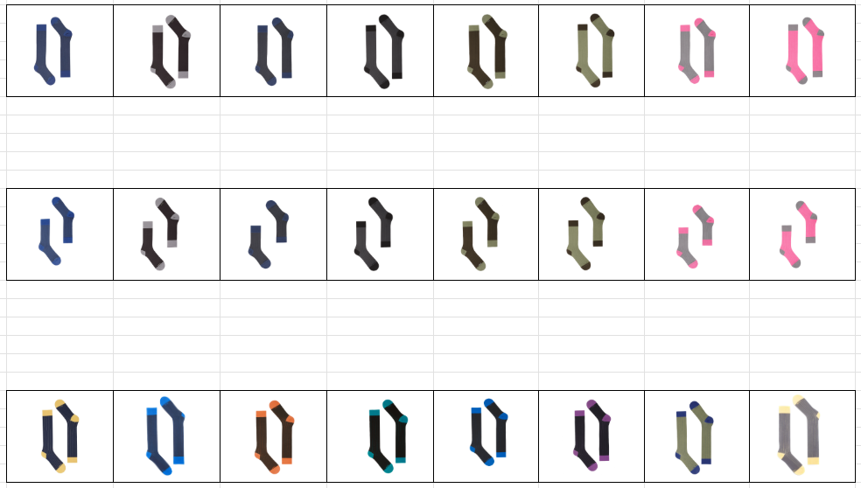
1177-012 | S | M | L | XL | 1177-032 | S | M | L | XL | SOMMA | S | M | L | XL | SOMMA | SOMMA
AVIATOR ORIENT |  |  |  | 11 | AVIATOR ORIENT | 65 | 75 |  |  | AVIATOR ORIENT | 65 | 75 | 0 | 11 | 19.52 € | 26,293.44 €
NAVY AVIATOR |  |  | 2 | 9 | NAVY AVIATOR | 72 | 123 |  |  | NAVY AVIATOR | 72 | 123 | 2 | 9
INK PEWTER |  | 3 |  | 64 | INK PEWTER | 69 | 150 | 35 |  | INK PEWTER | 69 | 153 | 35 | 64
IRON INK |  | 4 |  | 54 | IRON INK | 72 | 100 | 7 |  | IRON INK | 72 | 104 | 7 | 54
OLIVINE COFFEE |  | 45 | 15 | 11 | OLIVINE COFFEE |  |  |  |  | OLIVINE COFFEE | 0 | 45 | 15 | 11
COFFEE OLIVINE |  | 47 |  | 40 | COFFEE OLIVINE |  |  |  |  | COFFEE OLIVINE | 0 | 47 | 0 | 40
PEWTER RARPBERRY |  |  |  |  | PEWTER RARPBERRY | 72 | 70 |  |  | PEWTER RARPBERRY | 72 | 70 | 0 | 0
RASPBERRY PEWTER |  |  |  |  | RASPBERRY PEWTER | 63 | 69 |  |  | RASPBERRY PEWTER | 63 | 69 | 0 | 0
CORTO COSTINE |  |  |  |  | CORTO COSTINE
1177-013 | S | M | L | XL | 1177-033 | S | M | L | XL | SOMMA | S | M | L | XL | SOMMA | SOMMA
AVIATOR ORIENT |  | 35 |  | 54 | AVIATOR ORIENT | 3 | 5 | 6 |  | AVIATOR ORIENT | 3 | 40 | 6 | 54 | 18.30 € | 14,109.30 €
NAVY AVIATOR |  |  |  | 65 | NAVY AVIATOR | 12 | 19 | 12 |  | NAVY AVIATOR | 12 | 19 | 12 | 65
INK PEWTER |  |  |  | 73 | INK PEWTER | 7 | 6 |  |  | INK PEWTER | 7 | 6 | 0 | 73
IRON INK |  | 20 | 8 | 65 | IRON INK | 2 | 7 | 8 |  | IRON INK | 2 | 27 | 16 | 65
OLIVINE COFFEE |  | 44 | 46 | 55 | OLIVINE COFFEE |  |  |  |  | OLIVINE COFFEE | 0 | 44 | 46 | 55
COFFEE OLIVINE |  | 73 | 63 | 62 | COFFEE OLIVINE |  |  |  |  | COFFEE OLIVINE | 0 | 73 | 63 | 62
PEWTER RARPBERRY |  |  |  |  | PEWTER RARPBERRY | 7 | 7 |  |  | PEWTER RARPBERRY | 7 | 7 | 0 | 0
RASPBERRY PEWTER |  |  |  |  | RASPBERRY PEWTER | 7 |  |  |  | RASPBERRY PEWTER | 7 | 0 | 0 | 0
LUNGO POP COSTINE |  |  |  |  | LUNGO POP COSTINE
1177-014 | S | M | L | XL | 1177-034 | S | M | L | XL | SOMMA | S | M | L | XL | SOMMA | SOMMA
AVIATOR BUTTERCUP |  |  |  |  | AVIATOR BUTTERCUP | 146 | 65 |  |  | AVIATOR BUTTERCUP | 146 | 65 | 0 | 0 | 20.74 € | 7,279.74 €
AVIATOR SKYDIVER |  |  |  |  | AVIATOR SKYDIVER |  |  |  |  | AVIATOR SKYDIVER | 0 | 0 | 0 | 0
COFFEE TANGERINE |  | 1 |  | 9 | COFFEE TANGERINE |  |  |  |  | COFFEE TANGERINE | 0 | 1 | 0 | 9
INK OCEAN |  | 6 | 5 | 7 | INK OCEAN |  |  |  |  | INK OCEAN | 0 | 6 | 5 | 7
IRON SKYDIVER |  |  |  | 7 | IRON SKYDIVER |  |  | 26 |  | IRON SKYDIVER | 0 | 0 | 26 | 7
NAVY GRAPE |  | 13 | 11 | 16 | NAVY GRAPE |  |  |  |  | NAVY GRAPE | 0 | 13 | 11 | 16
OLIVINE ORIENT |  | 8 | 7 | 17 | OLIVINE ORIENT |  |  |  |  | OLIVINE ORIENT | 0 | 8 | 7 | 17
PEWTER BUTTERCUP |  |  |  |  | PEWTER BUTTERCUP |  |  |  |  | PEWTER BUTTERCUP | 0 | 0 | 0 | 0
PEWTER SCARLET |  |  |  |  | PEWTER SCARLET | 7 |  |  |  | PEWTER SCARLET | 7 | 0 | 0 | 0
CORTO POP COSTINE |  |  |  |  | CORTO POP COSTINE
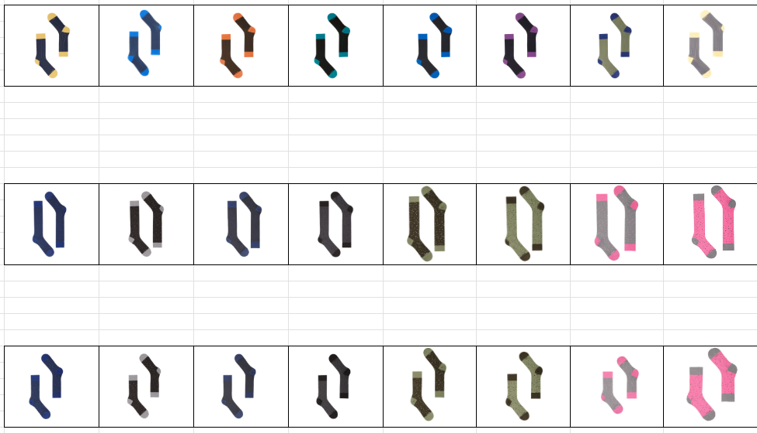
1177-015 | S | M | L | XL | 1177-035 | S | M | L | XL | SOMMA | S | M | L | XL | SOMMA | SOMMA
AVIATOR BUTTERCUP |  |  |  |  | AVIATOR BUTTERCUP |  |  |  |  | AVIATOR BUTTERCUP | 0 | 0 | 0 | 0 | 19.52 € | 12,141.44 €
AVIATOR SKYDIVER |  |  |  | 46 | AVIATOR SKYDIVER |  |  |  |  | AVIATOR SKYDIVER | 0 | 0 | 0 | 46
COFFEE TANGERINE |  | 7 |  | 30 | COFFEE TANGERINE |  |  |  |  | COFFEE TANGERINE | 0 | 7 | 0 | 30
INK OCEAN |  | 56 | 20 | 58 | INK OCEAN |  |  |  |  | INK OCEAN | 0 | 56 | 20 | 58
IRON SKYDIVER |  | 86 | 45 | 58 | IRON SKYDIVER |  |  |  |  | IRON SKYDIVER | 0 | 86 | 45 | 58
NAVY GRAPE |  |  | 17 | 54 | NAVY GRAPE |  |  |  |  | NAVY GRAPE | 0 | 0 | 17 | 54
OLIVINE ORIENT |  | 30 | 18 | 46 | OLIVINE ORIENT |  |  |  |  | OLIVINE ORIENT | 0 | 30 | 18 | 46
PEWTER BUTTERCUP |  |  |  | 51 | PEWTER BUTTERCUP |  |  |  |  | PEWTER BUTTERCUP | 0 | 0 | 0 | 51
PEWTER SCARLET |  |  |  |  | PEWTER SCARLET |  |  |  |  | PEWTER SCARLET | 0 | 0 | 0 | 0
LUNGO PIXEL |  |  |  |  | LUNGO PIXEL
1177-020 | S | M | L | XL | 1177-040 | S | M | L | XL | SOMMA | S | M | L | XL | SOMMA | SOMMA
AVIATOR ORIENT |  | 15 | 1 |  | AVIATOR ORIENT |  |  |  |  | AVIATOR ORIENT | 0 | 15 | 1 | 0 | 20.74 € | 1,783.64 €
NAVY AVIATOR | 1 | 14 |  | 6 | NAVY AVIATOR |  |  |  |  | NAVY AVIATOR | 1 | 14 | 0 | 6
INK PEWTER | 2 | 8 |  | 2 | INK PEWTER |  |  |  |  | INK PEWTER | 2 | 8 | 0 | 2
IRON INK |  | 3 |  | 6 | IRON INK |  |  |  |  | IRON INK | 0 | 3 | 0 | 6
OLIVINE COFFEE | 1 | 10 | 9 | 8 | OLIVINE COFFEE |  |  |  |  | OLIVINE COFFEE | 1 | 10 | 9 | 8
COFFEE OLIVINE |  |  |  |  | COFFEE OLIVINE |  |  |  |  | COFFEE OLIVINE | 0 | 0 | 0 | 0
PEWTER RARPBERRY |  |  |  |  | PEWTER RARPBERRY |  |  |  |  | PEWTER RARPBERRY | 0 | 0 | 0 | 0
RASPBERRY PEWTER |  |  |  |  | RASPBERRY PEWTER |  |  |  |  | RASPBERRY PEWTER | 0 | 0 | 0 | 0
CORTO PIXEL |  |  |  |  | CORTO PIXEL
1177-021 | S | M | L | XL | 1177-041 | S | M | L | XL | SOMMA | S | M | L | XL | SOMMA | SOMMA
AVIATOR ORIENT |  | 4 | 8 | 16 | AVIATOR ORIENT |  |  |  |  | AVIATOR ORIENT | 0 | 4 | 8 | 16 | 19.52 € | 6,714.88 €
NAVY AVIATOR |  | 26 | 38 | 22 | NAVY AVIATOR |  |  |  |  | NAVY AVIATOR | 0 | 26 | 38 | 22
INK PEWTER |  | 26 | 50 | 28 | INK PEWTER |  |  |  |  | INK PEWTER | 0 | 26 | 50 | 28
IRON INK |  | 29 | 32 | 18 | IRON INK |  |  |  |  | IRON INK | 0 | 29 | 32 | 18
OLIVINE COFFEE |  | 8 | 6 | 6 | OLIVINE COFFEE |  |  |  |  | OLIVINE COFFEE | 0 | 8 | 6 | 6
COFFEE OLIVINE |  | 9 | 8 | 10 | COFFEE OLIVINE |  |  |  |  | COFFEE OLIVINE | 0 | 9 | 8 | 10
PEWTER RARPBERRY |  |  |  |  | PEWTER RARPBERRY |  |  |  |  | PEWTER RARPBERRY | 0 | 0 | 0 | 0
RASPBERRY PEWTER |  |  |  |  | RASPBERRY PEWTER |  |  |  |  | RASPBERRY PEWTER | 0 | 0 | 0 | 0
 |  |  |  |  | COLLANT PIXEL
 |  |  |  |  | 1177-036 | S | M | L | XL | SOMMA | S | M | L | XL | SOMMA | SOMMA
 |  |  |  |  | INK PEWTER | 35 | 59 | 94 |  | INK PEWTER | 35 | 59 | 94 |  | 21.96 € | 13,351.68 €
 |  |  |  |  | NAVY AVIATOR | 26 | 53 | 66 |  | NAVY AVIATOR | 26 | 53 | 66
 |  |  |  |  | IRON INK | 39 | 27 | 84 |  | IRON INK | 39 | 27 | 84
 |  |  |  |  | MULTICOLOR | 29 | 29 | 67 |  | MULTICOLOR | 29 | 29 | 67
 |  |  |  |  | COLLANT CLASSICO
 |  |  |  |  | 1177-036 | S | M | L | XL | SOMMA | S | M | L | XL | SOMMA | SOMMA
 |  |  |  |  | IRON | 24 | 41 | 28 |  | IRON | 24 | 41 | 28 |  | 21.96 € | 4,457.88 €
 |  |  |  |  | AVIATOR | 33 | 44 | 33 |  | AVIATOR | 33 | 44 | 33 |  |  | Paia Totali
 |  |  |  |  |  |  |  |  |  |  |  |  |  |  |  | 6,940.00
 |  |  |  |  |  |  |  |  |  |  |  |  |  |  |  | TOTALE
 |  |  |  |  |  |  |  |  |  |  |  |  |  |  |  | 132,417.58 €

ACTIVE
INVENTARIO 2025 |  |  |  |  |  |  |  |  |  | SOMMA |  |  |  |  | PREZZI AL PUBBLICO | TOTALE

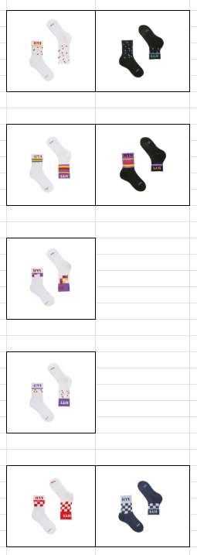
1177-071 | S | M | L | XL | 1177-081 | S | M | L | XL | SOMMA | S | M | L | XL | 1177-081 | 1177-081
MULTICOLOR WHITE |  | 20 | 2 | 34 | MULTICOLOR WHITE | 42 | 88 | 65 |  | MULTICOLOR WHITE | 42 | 108 | 67 | 34 | 19.52 € | 6,832.00 €
MULTICOLOR BLACK |  |  |  | 14 | MULTICOLOR BLACK | 44 | 41 |  |  | MULTICOLOR BLACK | 44 | 41 | 0 | 14

1177-072 | S | M | L | XL | 1177-082 | S | M | L | XL | SOMMA | S | M | L | XL | 1177-082 | 1177-082
MULTISTRIPES WHITE |  |  | 11 | 55 | MULTISTRIPES WHITE | 71 | 114 | 61 |  | MULTISTRIPES WHITE | 71 | 114 | 72 | 55 | 19.52 € | 8,296.00 €
MULTISTRIPES BLACK |  | 1 |  | 43 | MULTISTRIPES BLACK | 31 | 38 |  |  | MULTISTRIPES BLACK | 31 | 39 | 0 | 43

1177-073 | S | M | L | XL | 1177-083 | S | M | L | XL | SOMMA | S | M | L | XL | 1177-083 | 1177-083
MEGA SQUARE |  | 7 | 9 | 37 | MEGA SQUARE | 59 | 86 | 61 |  | MEGA SQUARE | 59 | 93 | 70 | 37 | 19.52 € | 5,055.68 €

1177-074 | S | M | L | XL | 1177-084 | S | M | L | XL | SOMMA | S | M | L | XL | 1177-084 | 1177-084
MULTICOLOR ORIENT |  | 2 | 14 | 61 | MULTICOLOR ORIENT | 67 | 72 | 74 |  | MULTICOLOR ORIENT | 67 | 74 | 88 | 61 | 19.52 € | 5,660.80 €

1177-075 | S | M | L | XL | 1177-085 | S | M | L | XL | SOMMA | S | M | L | XL | 1177-085 | 1177-085
SCARLET |  | 1 | 5 | 40 | SCARLET | 97 | 94 | 67 |  | SCARLET | 97 | 95 | 72 | 40 | 19.52 € | 9,623.36 €
ROYAL |  | 43 |  | 19 | ROYAL | 72 | 55 |  |  | ROYAL | 72 | 98 | 0 | 19

1177-076 | S | M | L | XL | 1177-086 | S | M | L | XL | SOMMA | S | M | L | XL | 1177-086 | 1177-086
MULTICOLOR PLAIN |  | 10 | 51 | 50 | MULTICOLOR PLAIN | 75 | 116 | 39 |  | MULTICOLOR PLAIN | 75 | 126 | 90 | 50 | 19.52 € | 11,380.16 €
GREY PLAIN |  | 8 | 15 | 66 | GREY PLAIN | 69 | 84 |  |  | GREY PLAIN | 69 | 92 | 15 | 66

1177-077 | S | M | L | XL | 1177-087 | S | M | L | XL | SOMMA | S | M | L | XL | 1177-087 | 1177-087
PIXEL GREY |  | 51 | 7 | 64 | PIXEL GREY | 17 | 8 |  |  | PIXEL GREY | 17 | 59 | 7 | 64 | 19.52 € | 6,558.72 €
PIXEL PORT |  | 28 | 18 | 10 | PIXEL PORT | 17 | 9 |  |  | PIXEL PORT | 17 | 37 | 18 | 10
PIXEL KAKI |  | 46 | 6 | 39 | PIXEL KAKI | 6 | 10 |  |  | PIXEL KAKI | 6 | 56 | 6 | 39

1177-110 | S | M | L | XL | 1177-130 | S | M | L | XL | SOMMA | S | M | L | XL | 1177-130 | 1177-130
AVIATOR FREESIA | 25 | 45 | 5 | 2 | AVIATOR FREESIA |  | 3 |  |  | AVIATOR FREESIA | 25 | 48 | 5 | 2 | 15.86 € | 8,088.60 €
AVIATOR SKYDIVER |  | 14 | 6 | 12 | AVIATOR SKYDIVER | 22 | 37 |  |  | AVIATOR SKYDIVER | 22 | 51 | 6 | 12
INK SILVER |  |  | 1 |  | INK SILVER | 30 |  | 1 |  | INK SILVER | 30 | 0 | 2 | 0
MINT AVIATOR |  | 9 | 7 |  | MINT AVIATOR |  |  |  |  | MINT AVIATOR | 0 | 9 | 7 | 0
ICE AVIATOR |  | 6 | 6 | 10 | ICE AVIATOR | 52 | 37 |  |  | ICE AVIATOR | 52 | 43 | 6 | 10
PORT RASPBERRY |  |  |  |  | PORT RASPBERRY | 21 | 49 |  |  | PORT RASPBERRY | 21 | 49 | 0 | 0
JASPER AVIATOR |  | 4 | 4 | 10 | JASPER AVIATOR |  |  |  |  | JASPER AVIATOR | 0 | 4 | 4 | 10
PORT URBAN |  | 6 | 4 | 2 | PORT URBAN |  |  |  |  | PORT URBAN | 0 | 6 | 4 | 2 |  | Paia Totali
PEWTER SCARLET |  |  |  |  | PEWTER SCARLET | 21 | 59 |  |  | PEWTER SCARLET | 21 | 59 | 0 | 0 |  | 3,246.00

 |  |  |  |  |  |  |  |  |  |  |  |  |  |  |  | TOTALE
 |  |  |  |  |  |  |  |  |  |  |  |  |  |  |  | 61,495.32 €

FANTASIE
INVENTARIO 2025 |  |  |  |  | PREZZI AL PUBBLICO | TOTALE

1177-607 | S | M | L | XL | 1177-607 | 1177-607
MIX1 | 4 |  |  |  | 18.30 € | 219.60 €
MIX2 | 3 | 3
MIX3 |  |  | 2

1177-622 | S | M | L | XL | 1177-622 | 1177-622
ORIENT | 12 | 7 |  | 7 | 19.52 € | 2,244.80 €
PORT | 10 | 4 |  | 13
JASPER | 7 | 8 | 10 | 14
IRON | 8 | 8 |  | 7

1177-201 | S | M | L | XL | 1177-201 | 1177-201
COFFEE | 17 | 12 | 3 | 5 | 12.20 € | 451.40 €

1177-547 | OS |  |  |  | 1177-547 | 1177-547
SCARLET | 31 |  |  |  | 18.30 € | 1,830.00 €
MINT | 27
ICE | 14
INK | 28

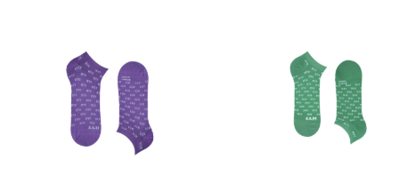
1177-554 | S | M | L | XL | 1177-554 | 1177-554
MINT | 15 | 21 | 12 | 22 | 12.20 € | 1,622.60 €
GRAPE | 24 | 16 | 3 | 20

1177-603 | S | M | L | XL | 1177-603 | 1177-603
SILVER | 6 |  | 7 | 11 | 18.30 € | 439.20 €

1177-509 | S | M | L | XL | 1177-509 | 1177-509
SKYDIVER | 3 |  | 2 |  | 12.20 € | 61.00 €

1177-510 | S | M | L | XL | 1177-510 | 1177-510
ORIENT | 7 | 13 | 12 | 8 | 12.20 € | 976.00 €
SILVER |  |  | 23 | 17

 |  |  |  |  |  | Paia Totali
 |  |  |  |  |  | 506.00

 |  |  |  |  |  | TOTALE
 |  |  |  |  |  | 7,844.60 €

